TEDB Edition 40
The fuel economy information presented in Table 5.12 is on the upper limits of today’s large-truck fleets and is mostly a result of driver training and the extensive vehicle maintenance (including constant tire pressure) to which the fleet company participating in this project adheres. Nevertheless, the results of this extensive test indicate that there are substantial gains in terms of fuel economy for large trucks when single (wide) tires are used in combination with dual tires or alone (best case). Figure 5.4 shows the information from Table 5.12 in a graphical form (bars) and also displays for each speed bin the percentage of the total distance that is traveled at that speed (line). It is possible to observe that above 80% of the distance traveled by long-haul Class 8 trucks is done at speeds above 55 mph. Therefore, any gains in fuel economies at these speeds derived from a given tire combination would have a very large impact on the overall fuel economy of these types of trucks. Figure 5.4 shows that, except for the D-S combination within the 65+ to 70 mph, the combinations with all single (wide) tires perform better and, therefore, obtain the largest overall fuel economy.

 | Figure 5.4. Class 8 Truck Fuel Economy as a Function of Speed
 | and Tractor-Trailer Tire Combination and Percentage of
 | Total Distance Traveled as a Function of Speed

 | NOT ADJUSTED FOR TERRAIN: See note below.

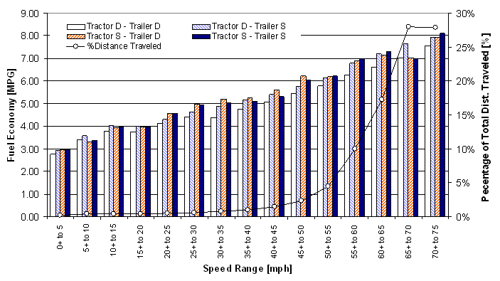

 |  | Fuel Economy (mpg)
 | Speed | Tractor D - Trailer D | Tractor D - Trailer S | Tractor S - Trailer D | Tractor S - Trailer S | Percent of Total Distance Traveled
 | 0+ to 5 | 2.76 | 2.93 | 2.97 | 2.96 | 0.15%
 | 5+ to 10 | 3.39 | 3.56 | 3.30 | 3.35 | 0.34%
 | 10+ to 15 | 3.77 | 4.03 | 3.92 | 3.95 | 0.36%
 | 15+ to 20 | 3.73 | 4.00 | 3.98 | 3.98 | 0.37%
 | 20+ to 25 | 4.11 | 4.31 | 4.55 | 4.57 | 0.47%
 | 25+ to 30 | 4.41 | 4.63 | 4.95 | 4.93 | 0.59%
 | 30+ to 35 | 4.40 | 4.88 | 5.20 | 5.02 | 0.74%
 | 35+ to 40 | 4.75 | 5.17 | 5.27 | 5.10 | 0.96%
 | 40+ to 45 | 5.06 | 5.40 | 5.60 | 5.31 | 1.45%
 | 45+ to 50 | 5.43 | 5.75 | 6.20 | 6.04 | 2.37%
 | 50+ to 55 | 5.77 | 6.11 | 6.19 | 6.20 | 4.44%
 | 55+ to 60 | 6.26 | 6.80 | 6.87 | 6.99 | 9.95%
 | 60+ to 65 | 6.63 | 7.20 | 7.13 | 7.29 | 17.24%
 | 65+ to 70 | 7.01 | 7.65 | 7.03 | 7.00 | 27.99%
 | 70+ to 75 | 7.53 | 7.92 | 7.93 | 8.11 | 27.90%

Note: D = Dual tire. S = Single (wide) tire.
These data are not adjusted to account for the effects of terrain. The increase
in fuel economy for speeds above 70 mph is likely due to the vehicle achieving
high speeds while traveling down slope. Therefore, this increase in fuel
economy is not expected to be characteristic of all travel at these higher speeds.

Source:
Capps, Gary, Oscar Franzese, Bill Knee, M. B. Lascurain, and Pedro Otaduy.
Class-8 Heavy Truck Duty Cycle Project Final Report, ORNL/TM-2008-122,
Oak Ridge National Laboratory, Oak Ridge, TN, December 2008.
(Additional resources: cta.ornl.gov/cta/Publications/Reports/ORNL_TM_2008-122.pdf)

